Data
 | Kite Diagrams |  |  |  |  |  | Instructions
Group | Js |  |  |  |  | Site Number | 1 |  | Kite Diagrams
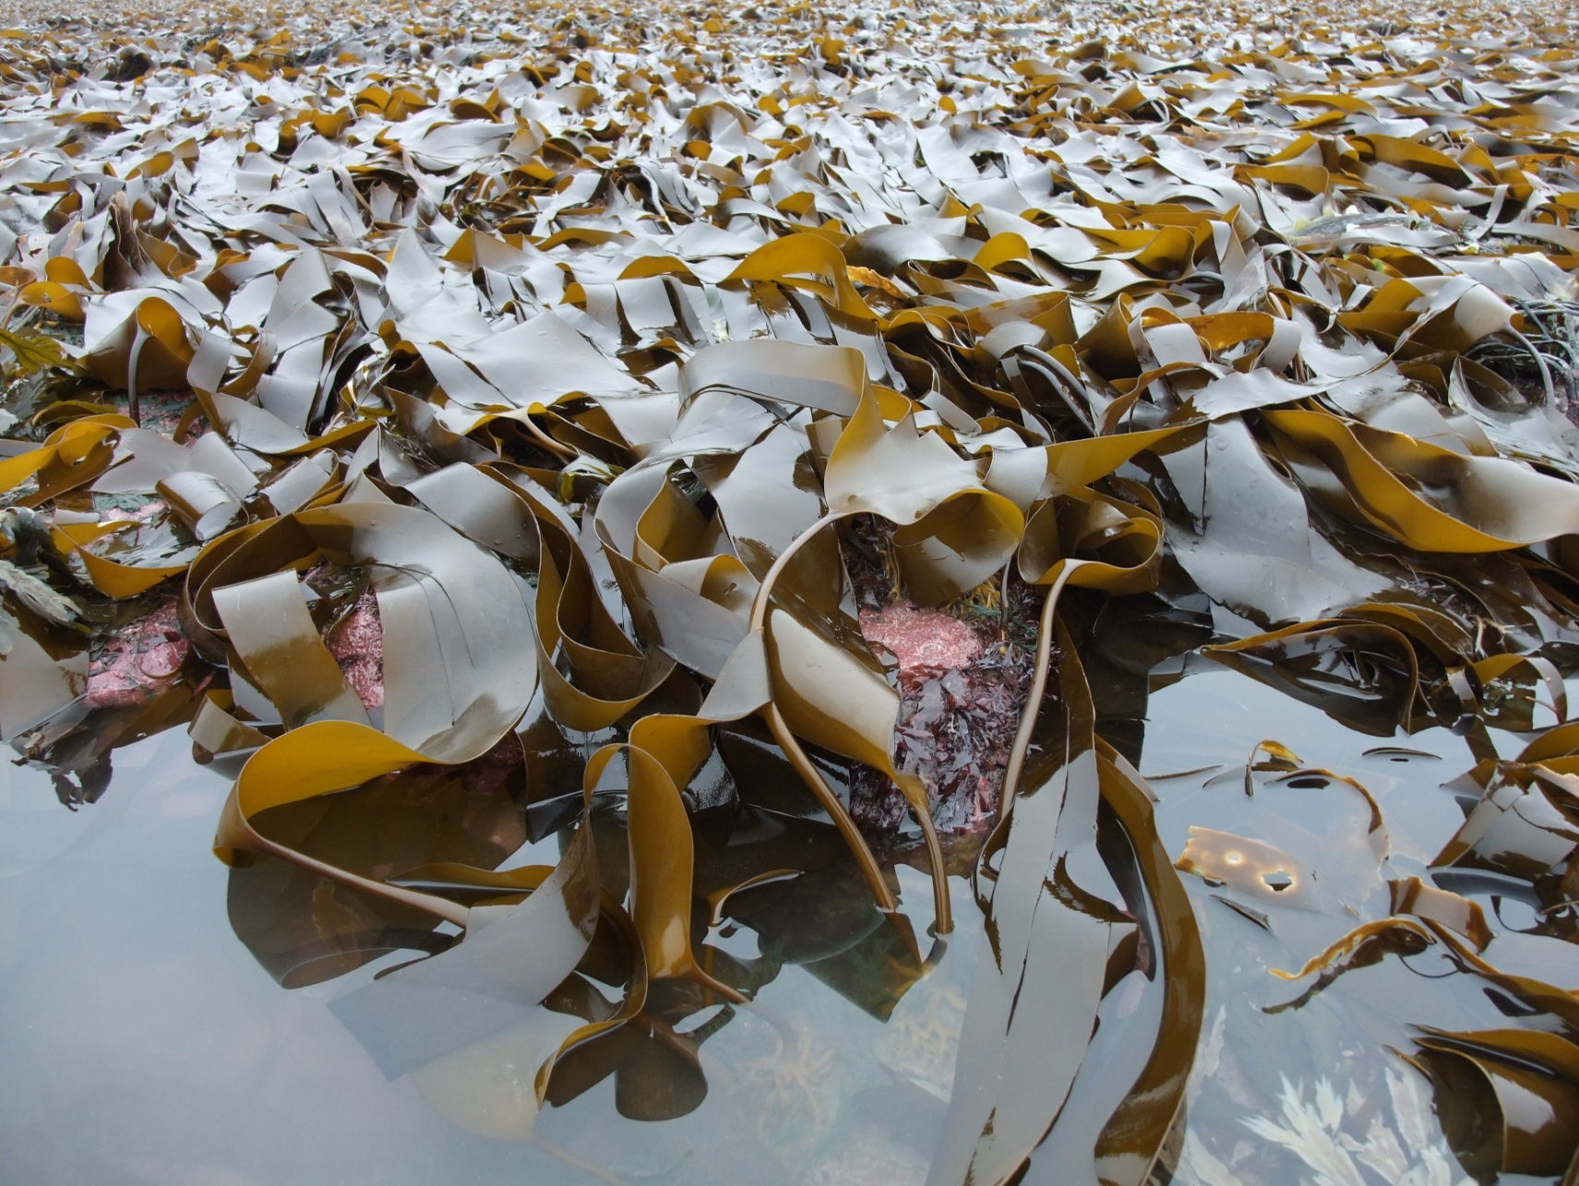

 | Abundance
 | Species | Species | Species | Species | Species | Species | Species
Distance (m) | Laminaria Sacharina | Fucus Seratus | Fucus Vesiculocus | Fucus Spiralis | Lichina pygmaea | Xanthoria parientina | Romalia siliquosa | Top A | Bottom A | TopB | BotB | TopC | BotC | TopD | BotD

0 | 5 | 2 | 0 | 0 | 0 | 0 | 0 | 5 | -5 | 2 | -2 | 0 | 0 | 0 | 0 | 0 | 0 | 0 | 0 | 0 | 0
5 | 5 | 3 | 0 | 0 | 0 | 0 | 0 | 5 | -5 | 3 | -3 | 0 | 0 | 0 | 0 | 0 | 0 | 0 | 0 | 0 | 0
10 | 3 | 5 | 0 | 0 | 0 | 0 | 0 | 3 | -3 | 5 | -5 | 0 | 0 | 0 | 0 | 0 | 0 | 0 | 0 | 0 | 0
15 | 0 | 5 | 2 | 0 | 0 | 0 | 0 | 0 | 0 | 5 | -5 | 2 | -2 | 0 | 0 | 0 | 0 | 0 | 0 | 0 | 0
20 | 0 | 3 | 2 | 0 | 0 | 0 | 0 | 0 | 0 | 3 | -3 | 2 | -2 | 0 | 0 | 0 | 0 | 0 | 0 | 0 | 0
25 | 0 | 3 | 3 | 1 | 0 | 0 | 0 | 0 | 0 | 3 | -3 | 3 | -3 | 1 | -1 | 0 | 0 | 0 | 0 | 0 | 0
30 | 0 | 3 | 5 | 2 | 0 | 0 | 0 | 0 | 0 | 3 | -3 | 5 | -5 | 2 | -2 | 0 | 0 | 0 | 0 | 0 | 0
35 | 0 | 3 | 5 | 3 | 0 | 0 | 0 | 0 | 0 | 3 | -3 | 5 | -5 | 3 | -3 | 0 | 0 | 0 | 0 | 0 | 0
40 | 0 | 3 | 5 | 2 | 0 | 0 | 0 | 0 | 0 | 3 | -3 | 5 | -5 | 2 | -2 | 0 | 0 | 0 | 0 | 0 | 0
45 | 0 | 2 | 5 | 1 | 0 | 0 | 0 | 0 | 0 | 2 | -2 | 5 | -5 | 1 | -1 | 0 | 0 | 0 | 0 | 0 | 0
50 | 0 | 1 | 5 | 3 | 0 | 0 | 0 | 0 | 0 | 1 | -1 | 5 | -5 | 3 | -3 | 0 | 0 | 0 | 0 | 0 | 0
55 | 0 | 0 | 4 | 4 | 0 | 0 | 0 | 0 | 0 | 0 | 0 | 4 | -4 | 4 | -4 | 0 | 0 | 0 | 0 | 0 | 0
60 | 0 | 0 | 3 | 3 | 0 | 0 | 0 | 0 | 0 | 0 | 0 | 3 | -3 | 3 | -3 | 0 | 0 | 0 | 0 | 0 | 0
65 | 0 | 0 | 2 | 3 | 0 | 0 | 0 | 0 | 0 | 0 | 0 | 2 | -2 | 3 | -3 | 0 | 0 | 0 | 0 | 0 | 0
70 | 0 | 0 | 0 | 0 | 2 | 1 | 0 | 0 | 0 | 0 | 0 | 0 | 0 | 0 | 0 | 2 | -2 | 1 | -1 | 0 | 0
75 | 0 | 0 | 0 | 0 | 3 | 3 | 0 | 0 | 0 | 0 | 0 | 0 | 0 | 0 | 0 | 3 | -3 | 3 | -3 | 0 | 0
80 | 0 | 0 | 0 | 0 | 5 | 4 | 0 | 0 | 0 | 0 | 0 | 0 | 0 | 0 | 0 | 5 | -5 | 4 | -4 | 0 | 0
85 | 0 | 0 | 0 | 0 | 5 | 5 | 0 | 0 | 0 | 0 | 0 | 0 | 0 | 0 | 0 | 5 | -5 | 5 | -5 | 0 | 0
90 | 0 | 0 | 0 | 0 | 4 | 4 | 1 | 0 | 0 | 0 | 0 | 0 | 0 | 0 | 0 | 4 | -4 | 4 | -4 | 1 | -1
95 | 0 | 0 | 0 | 0 | 3 | 4 | 4 | 0 | 0 | 0 | 0 | 0 | 0 | 0 | 0 | 3 | -3 | 4 | -4 | 4 | -4
100 | 0 | 0 | 0 | 0 | 2 | 3 | 5 | 0 | 0 | 0 | 0 | 0 | 0 | 0 | 0 | 2 | -2 | 3 | -3 | 5 | -5

kites
0 | 5 | -5
5 | 5 | -5
10 | 3 | -3
15 | 0 | 0
20 | 0 | 0
25 | 0 | 0
30 | 0 | 0
35 | 0 | 0
40 | 0 | 0
45 | 0 | 0
50 | 0 | 0
55 | 0 | 0
60 | 0 | 0
65 | 0 | 0
70 | 0 | 0
75 | 0 | 0
80 | 0 | 0
85 | 0 | 0
90 | 0 | 0
95 | 0 | 0
100 | 0 | 0
Species

Laminaria Sacharina

0 | 2 | -2
5 | 3 | -3
10 | 5 | -5
15 | 5 | -5
20 | 3 | -3
25 | 3 | -3
30 | 3 | -3
35 | 3 | -3
40 | 3 | -3
45 | 2 | -2
50 | 1 | -1
55 | 0 | 0
60 | 0 | 0
65 | 0 | 0
70 | 0 | 0
75 | 0 | 0
80 | 0 | 0
85 | 0 | 0
90 | 0 | 0
95 | 0 | 0
100 | 0 | 0

Fucus Seratus

0 | 0 | 0
5 | 0 | 0
10 | 0 | 0
15 | 2 | -2
20 | 2 | -2
25 | 3 | -3
30 | 5 | -5
35 | 5 | -5
40 | 5 | -5
45 | 5 | -5
50 | 5 | -5
55 | 4 | -4
60 | 3 | -3
65 | 2 | -2
70 | 0 | 0
75 | 0 | 0
80 | 0 | 0
85 | 0 | 0
90 | 0 | 0
95 | 0 | 0
100 | 0 | 0

Fucus Vesiculocus

 | Series1 | Series2
0 | 0 | 0
5 | 0 | 0
10 | 0 | 0
15 | 0 | 0
20 | 0 | 0
25 | 1 | -1
30 | 2 | -2
35 | 3 | -3
40 | 2 | -2
45 | 1 | -1
50 | 3 | -3
55 | 4 | -4
60 | 3 | -3
65 | 3 | -3
70 | 0 | 0
75 | 0 | 0
80 | 0 | 0
85 | 0 | 0
90 | 0 | 0
95 | 0 | 0
100 | 0 | 0

Fucus Spiralis

 | Series1 | Series2
0 | 0 | 0
5 | 0 | 0
10 | 0 | 0
15 | 0 | 0
20 | 0 | 0
25 | 0 | 0
30 | 0 | 0
35 | 0 | 0
40 | 0 | 0
45 | 0 | 0
50 | 0 | 0
55 | 0 | 0
60 | 0 | 0
65 | 0 | 0
70 | 2 | -2
75 | 3 | -3
80 | 5 | -5
85 | 5 | -5
90 | 4 | -4
95 | 3 | -3
100 | 2 | -2

Lichina pygmaea

 | Series1 | Series2
0 | 0 | 0
5 | 0 | 0
10 | 0 | 0
15 | 0 | 0
20 | 0 | 0
25 | 0 | 0
30 | 0 | 0
35 | 0 | 0
40 | 0 | 0
45 | 0 | 0
50 | 0 | 0
55 | 0 | 0
60 | 0 | 0
65 | 0 | 0
70 | 1 | -1
75 | 3 | -3
80 | 4 | -4
85 | 5 | -5
90 | 4 | -4
95 | 4 | -4
100 | 3 | -3

Xanthoria parientina

 | Series1 | Series2
0 | 0 | 0
5 | 0 | 0
10 | 0 | 0
15 | 0 | 0
20 | 0 | 0
25 | 0 | 0
30 | 0 | 0
35 | 0 | 0
40 | 0 | 0
45 | 0 | 0
50 | 0 | 0
55 | 0 | 0
60 | 0 | 0
65 | 0 | 0
70 | 0 | 0
75 | 0 | 0
80 | 0 | 0
85 | 0 | 0
90 | 1 | -1
95 | 4 | -4
100 | 5 | -5

Romalia siliquosa

Kite diagram showing the distribution and abundance at different points along a seashore. In this instance it could be argued that the kites should be plotted against elevation (height) as the amount of time that the species are covered by sea water is the main abiotic factor affecting the distribution of the various species.

